Estimation
Module | Tasks | Estimated Time hr. | Client Feedback | Developer Feedback

Notes:
Datebase | Firebase Firestore
Code Pattern | Bloc
Code storage | Github
Platforms | Android, IOS, Web, Desktop
Custom Search Platfrom | Algolia
Authentication | Phone/Email OTP varification
Session Time | 5 to 8 Min.

Set up | Theme Setup (Light and Dart and system modes)
 | Spash screen / App Icon (With Slogan)
 | Route navigation (Go router)
 | Firebase flavors (Staging and Production)
 | Bloc setup (To manage state, and saparate logic from UI)
 | Language localisation (Multiple as you want - it will be applied on labels)
 | Remote config (For update app dialog, and other)

People looking for booking services
Sign In/ Sign Up | Welcome screen
 | Sign in with Phone number
 | Sign in with Email
 | Social media account (Google, Apple, Facebook)
 | Forgot Password

User Profile | User information and update functionality
 | Manage Notification (Here we will use firebase function)
 | Handle push notification using Firebase
 | Email and SMS notification (Letter we do after discuss, for it we will need third party)

 | Change password
 | Update email
 | Delete account

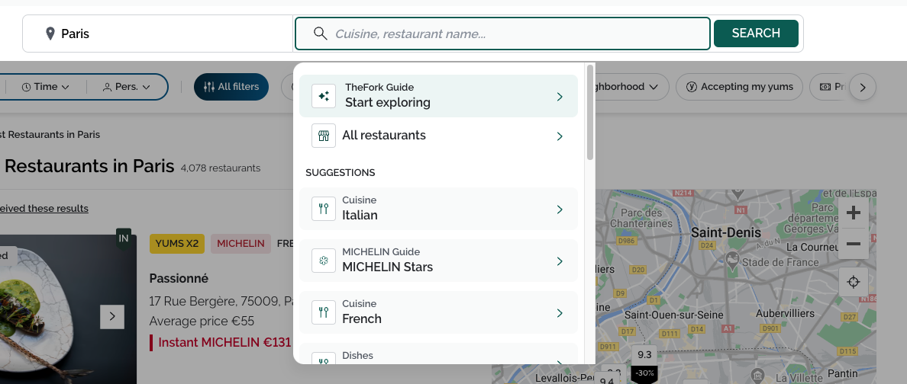
Home screen (Restraurants list) | fetch stream list from firebase with pagination
 | Search:
 | Keyword
 | Dropdown with category
 | Location based (area wise)

 | Search inside area map

Restaurant details | Restaurant information
 | Restaurant Location
 | Add to fevorite
 | Restaurant Timing
 | Features | Menu
 | Restaurant photos
 | Also we add dynamic attributes for hide unhide some functions

 | Review:
 | Customer info (Name, Profile)
 | Review with date time
 | Review Images
 | Filter Review
 | Review Chart

Chat | Chat with restaurant (Encrypted)
 | Send Image
 | Send text
 | Chat using SMS
 | Add call option to book with Phone
 | Send Notification both side
 | Report Messages both side

Confirmation of booking | Booking: (Check realtime availibility)
 | Fill Form
 | Find a table date & time (Lunch,Dinner) & number of guests,
 | verify and update booking details,
 | apply offer code, and book
 | Payment method (Stripe)

 | Cancel booking:
 | why you’re canceling order choose in dropdown
 | Refund payment

 | Notification to user both case

Booking history | Booking list with status
 | Saprate booking status wise
 | Book again with availibility
 | Booking Details

Payment | Payment using
 | Stripe
 | Paypal
 | ApplePay
 | Google Pay

Settings | Localization Languages
 | Change Currency

Offline Capability | Letter we do after discuss (Firebase is allowing this feature)

Analytics | Number of confirmed booking
 | Number of cancellations
 | Satisfaction of customers
 | Average time of booking
 | Number Search

Testing and Quality Assurance | Unit test for perticuler repository
 | Integration testing for perticuler module

Business Model and Monetisation | Here we add app subscription and add status in database with date time
 | We can add service charge on withdraw for stores.

Maintenance and Updates | Bug fixes
 | OS updates
 | interoperability
 | Security update
 | Systematic reviews/Audit (Quarterly )

Owner of restaurant

Submit request to add restaurant in app | Firebase auth with email/password, or phone/otp.
 | User will be created with pending approval status.

Add/Update Restaurants | Name, Location, Contact details etc.
 | Photos, videos, and cutome attrubutes

Request | It will display users who want to book appoinment for table or slot
 | Can accept or decline request

Chat | Chat with customer when request come
 | Text, Image, Video, Audio.

Analytics | How many request between date range
 | How many approved/cancelled between date range
 | Can be more based on requirement.

Payment | Add bank detail or stripe connect
 | Current balance
 | Transaction history (Withdraw or in review)

Add/Update/Remove staff users | Can create users with role
 | Role will define access
 | Invitation will be sent to email

List of users (Staff) | owner willl able to view each users profile

Super admin

Users | Can see users with role
 | Role wise filter
 | Search with algolia (name, restaurant or other)

Requests | List of users for adding them as store owner

Payment | User will submit reuqest for withdraw
 | Admin will approve or decline it.
 | Admin will procced the payment and payment staus will be update here.

Graphs and statistics | Display how many reuest in date range
 | Display approved user in date range
 | How many bookings in date range
 | how many withdraws between date range
 | earnings

